Session 1
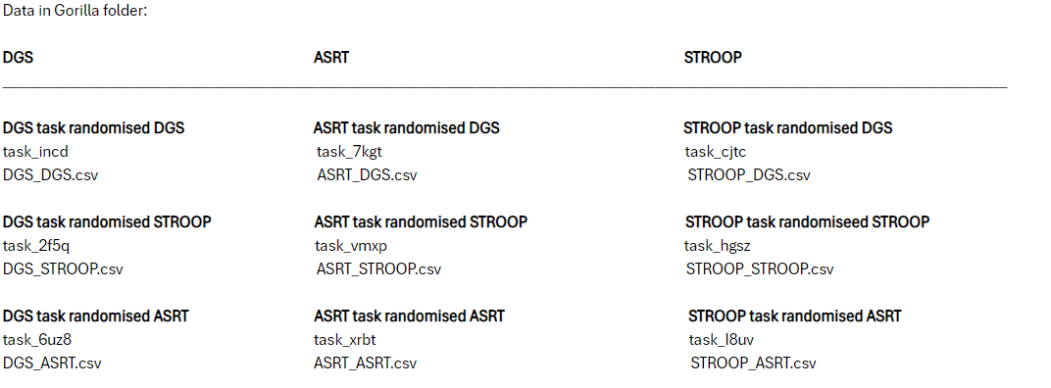
ID | Gorilla export Session 1 |  |  |  |  |  |  |  |  | notes
 | DGS_DGS | DGS_STROOP | DGS_ASRT | ASRT_DGS | ASRT_STROOP | ASRT_ASRT | STROOP_DGS | STROOP_STROOP | STROOP_ASRT
hnzm9 |  |  |  |  |  |  |  |  |  | dropped out in session 3, so I guess we don’t need the data
rqed8 |  |  | rqed8 |  |  | rqed8 |  |  | rqed8
xqls8 |  |  |  |  |  |  |  |  |  | export data seperately - done
qgsl9 |  | qgsl9 |  |  | qgsl9 |  |  | qgsl9
pson3
jpxp4 |  | jpxp4 |  |  | jpxp4 |  |  | jpxp4
qdvg4 |  |  |  |  |  |  |  |  |  | export data seperately - done
hcqa8 / arga4 | hcqa8 |  |  | hcqa8 |  |  | hcqa8
exdq7 |  |  | exdq7 |  |  | exdq7 |  |  | exdq7
crar9 |  |  | crar9 |  |  | crar9 |  |  | crar9
uyxx3 | uyxx3 |  |  | uyxx3 |  |  | uyxx3
fqrf6 |  | fqrf6 |  |  | fqrf6 |  |  | fqrf6
ezje7 |  | ezje7 |  |  | ezje7 |  |  | ezje7
finc3 | finc3 |  |  | finc3 |  |  | finc3
gxac7 |  |  | gxac7 |  |  | gxac7 |  |  | gxac7
rvax5 |  |  | rvax5 |  |  | rvax5 |  |  | rvax5
ksjo8 |  | ksjo8 |  |  | ksjo8 |  |  | ksjo8
ltsl3 | ltsl3 |  |  | ltsl3 |  |  | ltsl3
zuwa4 |  |  | zuwa4 |  |  | zuwa4 |  |  | zuwa4
wbij5 |  |  |  |  |  |  |  |  |  | export data seperately - done
ztwr3 | ztwr3 |  |  | ztwr3 |  |  | ztwr3
wjob1 |  |  | wjob1 |  |  | wjob1 |  |  | wjob1

* If there is a dark red box, this means we don’t have data at all from this participant
* data exported on 09.08.2024

 | missing data, which I downloaded separately
 | qdvg4_ASRT_DGS.csv, qdvg4_DGS_DGS.csv und qdvg4_STROOP_DGS.csv
 | wbij5_ASRT_STROOP, wbij5_DGS_STROOP und wbij5_STROOP_STROOP
 | xqls8_ASRT_STROOP, xqls8_DGS_STROOP, xqls8_STROOP_STROOP

* Naming the files: TaskName_randomiser, for expample ASRT_ASRT
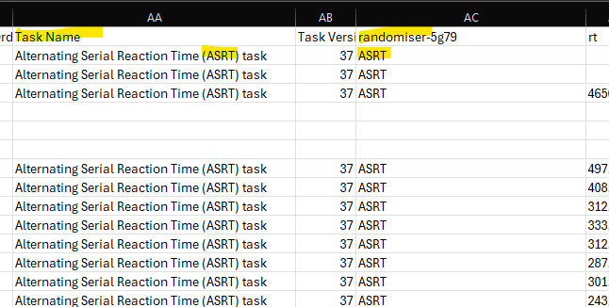

How the names of the exported Gorilla files were transcripted into the names we used for the R analysis

